Sheet1
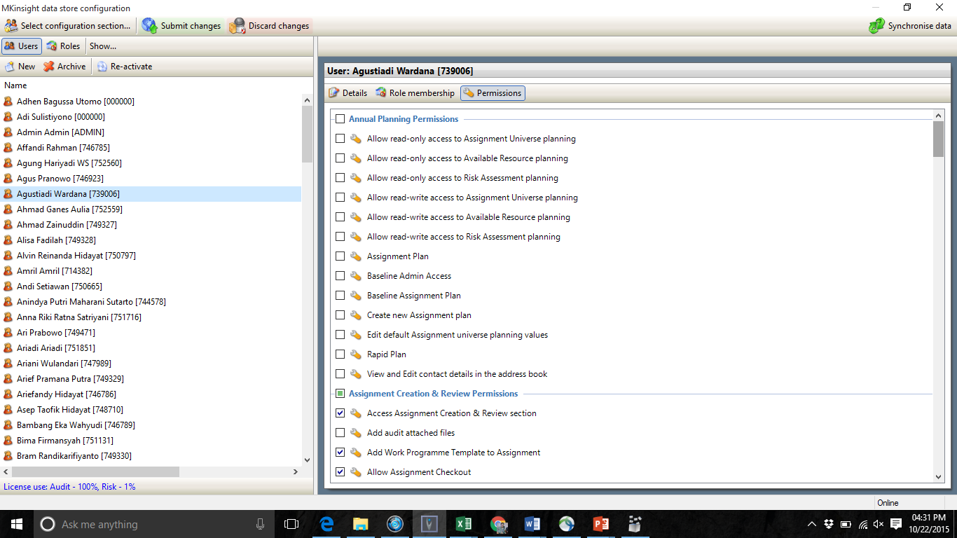

 |  |  |  |  |  |  |  | APM
 | Penanggung Jawab/CIA | Pengawas Tim | Ketua Tim | Member | PDQA | Admin | Superuser | Allow read-only acces to Assignment universe planning
Audit Universe | read , approve | read | read | read | read, write |  |  | Allow read-only acces to Available universe planning
Risk Register | read | read | read | read | read, write |  |  | Allow read-only acces to Risk Assesment planning
Annual Planning | read, approve | read | read | read | read, write |  |  | Allow read-write acces to Assignment universe planning
APM | read,write | read | read,write | read,write | read,write |  |  | Allow read-write acces to Available universe planning
Employee data base | read | read | read | read | read | read,write |  | Allow read-write acces to Risk Assesment planning
fieldwork | read | read, write, approve | read,write,approve | read,write | read |  |  | Assignment Plan
forgot password |  |  |  |  |  | read,write | read,write | Baseline admin access
position organization | read | read | read | read | read | read,write |  | Baseline assignment plan
prelim survey | read,approve | read,approve | read,write,approve | read,write | read |  |  | Create new assignment plan
role management | hide | hide | hide | hide | hide | read,write | read,write | Edit default assignment universe planning values
surat perintah | read, approve | read, approve | read,write,approve | read,write | read |  |  | Rapid Plan
user management | hide | hide | hide | hide | hide | read,write | read,write | View and edit contact details in address book
BPM | read | read, approve | read,write,approve | read,write | read
questioner | read, approve | hide | hide | hide | read,write | read,write |  | Assignment Creation & Review Permission
RCM | read | read, approve | read,write,approve | read,write | read |  |  | Access assignment creation & review section
Feedback | read,write,approve | hide | hide | hide | read, write, approve |  |  | add audit attached file
organization data | read | read | read | read | read | read,write | read,write | Add work programme template to assignment
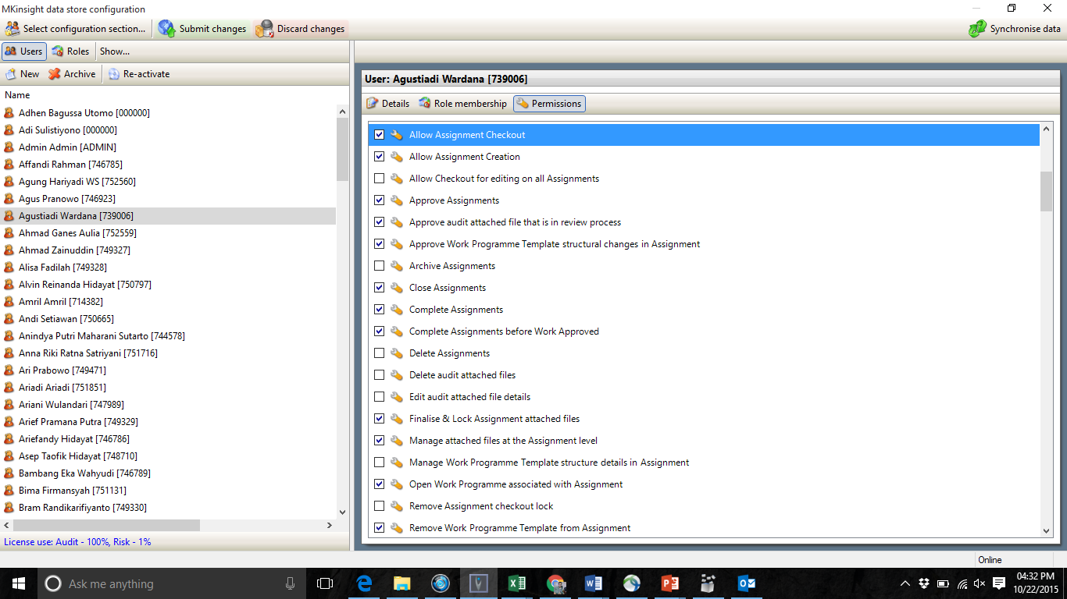
 |  |  |  |  |  |  |  | Allow assignment check out
 |  |  |  |  |  |  |  | Allow assignment creation
 |  |  |  |  |  |  |  | Allow checkout for editing all assignment
 |  |  |  |  |  |  |  | Approve assignment
 |  |  |  |  |  |  |  | Approve audit attached file that is in review process
 |  |  |  |  |  |  |  | Approve work programme template structural changes in assignment
 |  |  |  |  |  |  |  | Archive assignment
 |  |  |  |  |  |  |  | Close Assignment
 |  |  |  |  |  |  |  | Complete assignment
 |  |  |  |  |  |  |  | Complete assignment before work approve
 |  |  |  |  |  |  |  | Delete assignment
 |  |  |  |  |  |  |  | Delete audit attached files
 |  |  |  |  |  |  |  | Edit audit attached files details
 |  |  |  |  |  |  |  | Finalise & lock assignment attached files
 |  |  |  |  |  |  |  | Manage attched files at the assignment level
 |  |  |  |  |  |  |  | Manage work programme template structure details in assignment
 |  |  |  |  |  |  |  | Open work programme associated with assignment
 |  |  |  |  |  |  |  | Remove assignment checkout lock
 |  |  |  |  |  |  |  | Remove work programme template from Assignment
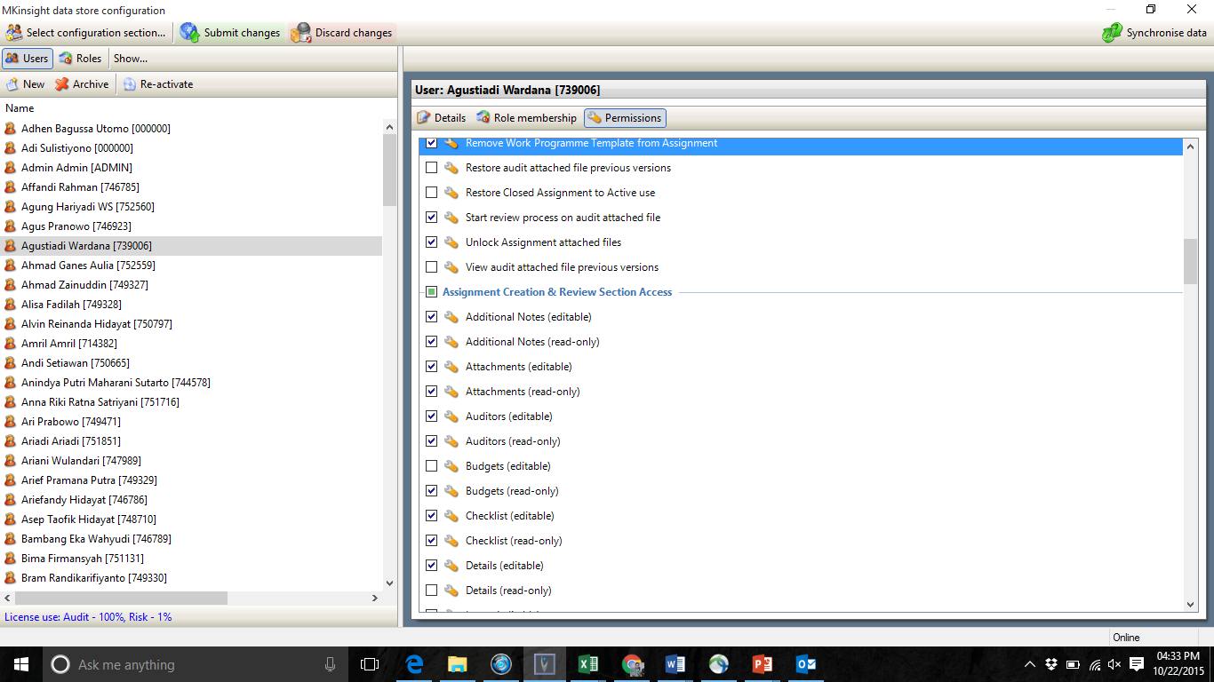
 |  |  |  |  |  |  |  | Restore audit attached file previous version
 |  |  |  |  |  |  |  | Restore closed assignment to active use
 |  |  |  |  |  |  |  | Start review process on audit attached file
 |  |  |  |  |  |  |  | Unlock assignment attached files
 |  |  |  |  |  |  |  | View audit attached files previous version

 |  |  |  |  |  |  |  | Assignment creation & Review section Access
 |  |  |  |  |  |  |  | Additional notes (editable)
 |  |  |  |  |  |  |  | Additional notes (read-only)
 |  |  |  |  |  |  |  | Attachments (editable)
 |  |  |  |  |  |  |  | Attachments (read-only)
 |  |  |  |  |  |  |  | Auditors (editable)
 |  |  |  |  |  |  |  | Auditors (read-only)
 |  |  |  |  |  |  |  | Budgets (editable)
 |  |  |  |  |  |  |  | Budgets (read-only)
 |  |  |  |  |  |  |  | Checklist (editable)
 |  |  |  |  |  |  |  | Checklist (read-only)
 |  |  |  |  |  |  |  | Details (editable)
 |  |  |  |  |  |  |  | Details (read-only)
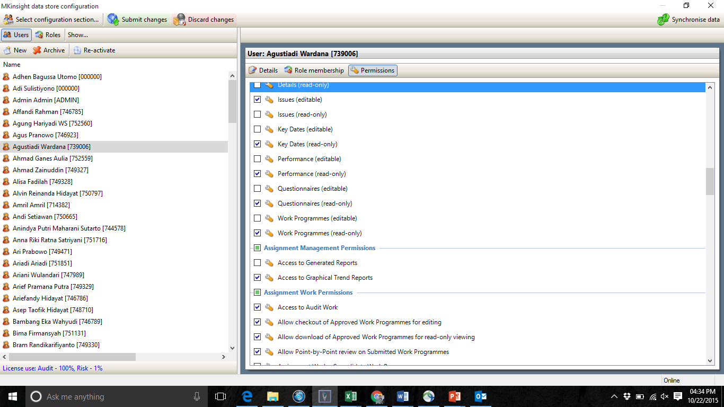
 |  |  |  |  |  |  |  | Issues (editable)
 |  |  |  |  |  |  |  | Issues (read-only)
 |  |  |  |  |  |  |  | Key-dates (editable)
 |  |  |  |  |  |  |  | Key-dates (read-only)
 |  |  |  |  |  |  |  | Performance (editable)
 |  |  |  |  |  |  |  | Performance (read-only)
 |  |  |  |  |  |  |  | Questionaire (editable)
 |  |  |  |  |  |  |  | Questionaire (read-only)
 |  |  |  |  |  |  |  | Work Programme (editable)
 |  |  |  |  |  |  |  | Work Programme (read-only)

 |  |  |  |  |  |  |  | Assignment management permission
 |  |  |  |  |  |  |  | Access to generate report
 |  |  |  |  |  |  |  | Access to graphical trend record

 |  |  |  |  |  |  |  | Assignment work permission
 |  |  |  |  |  |  |  | Access to audit work
 |  |  |  |  |  |  |  | Allow checkout of approved work programmes for editing
 |  |  |  |  |  |  |  | Allow download of approved work programmes for read-only viewing
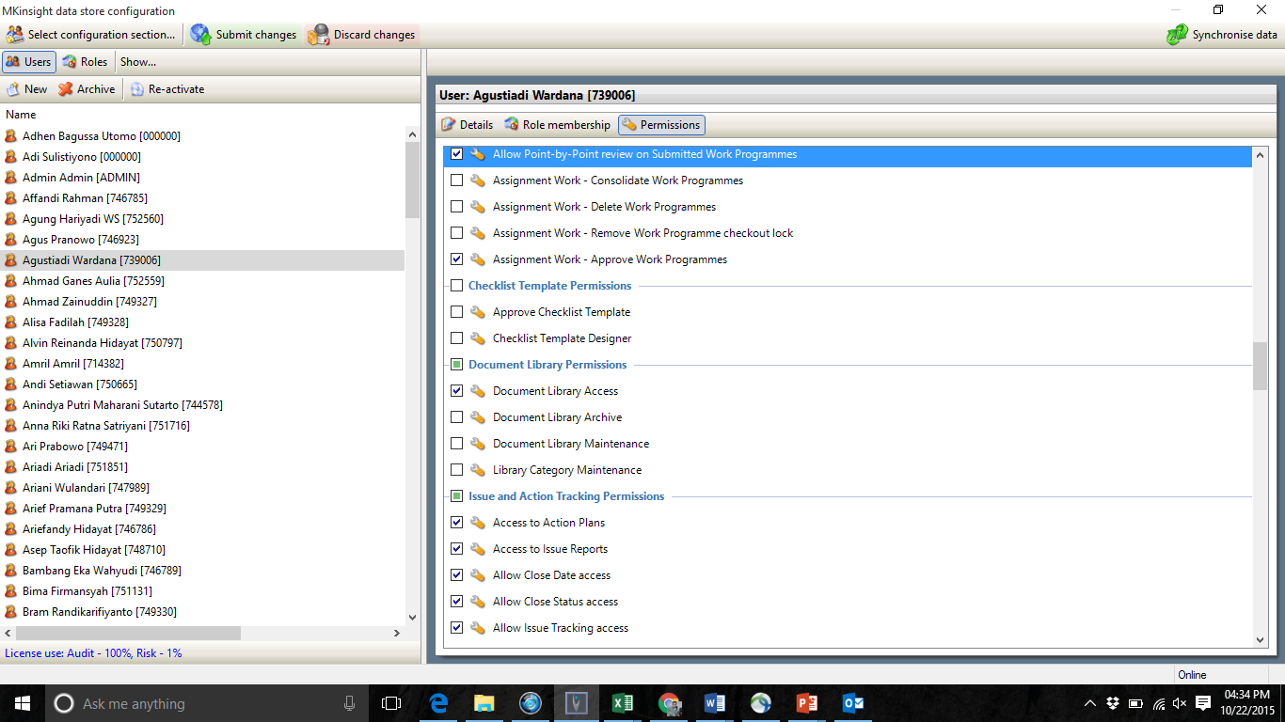
 |  |  |  |  |  |  |  | Allow point-by-point review on submitted work programme
 |  |  |  |  |  |  |  | Assignment work - consolidate work programme
 |  |  |  |  |  |  |  | Assignment work - delete work programme
 |  |  |  |  |  |  |  | Assignment work - remove work programme checkout lock
 |  |  |  |  |  |  |  | Assignment work - approve work programmes

 |  |  |  |  |  |  |  | Checklist Template Permission
 |  |  |  |  |  |  |  | Approve checklist template
 |  |  |  |  |  |  |  | Checklist template designer

 |  |  |  |  |  |  |  | Document Library Permission
 |  |  |  |  |  |  |  | Document Library Access
 |  |  |  |  |  |  |  | Document Library Archieve
 |  |  |  |  |  |  |  | Document Library Maintenance
 |  |  |  |  |  |  |  | Library Category Maintenance

 |  |  |  |  |  |  |  | Issue & Access Tracking Permission
 |  |  |  |  |  |  |  | Access to Action Plans
 |  |  |  |  |  |  |  | Access to issue reports
 |  |  |  |  |  |  |  | Allow Close Date Access
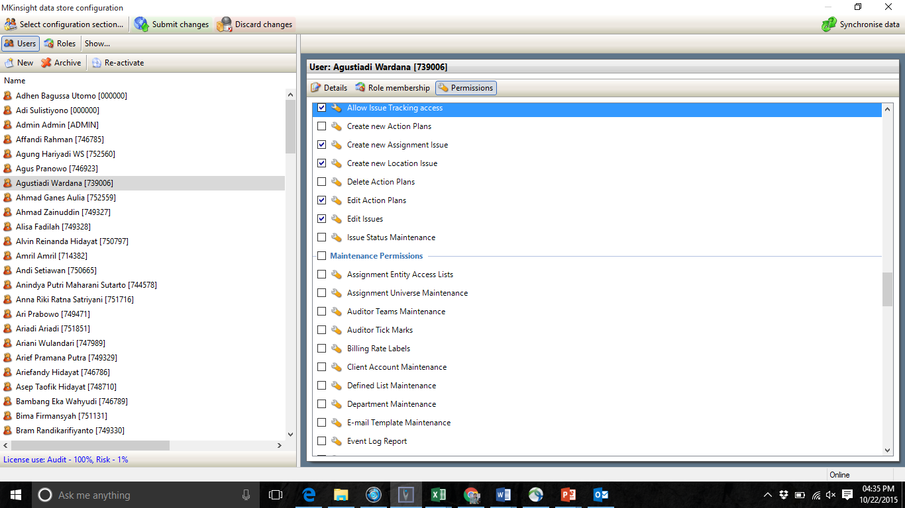
 |  |  |  |  |  |  |  | Allow Close Status Access
 |  |  |  |  |  |  |  | Allow Issue Tracking Access
 |  |  |  |  |  |  |  | Create new action plans
 |  |  |  |  |  |  |  | Create new assignment issue
 |  |  |  |  |  |  |  | Create new locations issue
 |  |  |  |  |  |  |  | Delete action plans
 |  |  |  |  |  |  |  | Edit action plans
 |  |  |  |  |  |  |  | Edit issue
 |  |  |  |  |  |  |  | Issue status maintenance

 |  |  |  |  |  |  |  | Maintenance Permissions
 |  |  |  |  |  |  |  | assignment Entity access List
 |  |  |  |  |  |  |  | Assignment Universe Maintenance
 |  |  |  |  |  |  |  | Auditor team maintenance
 |  |  |  |  |  |  |  | Auditor tick marks
 |  |  |  |  |  |  |  | Billing rate labels
 |  |  |  |  |  |  |  | Client account Maintenance
 |  |  |  |  |  |  |  | Defined list maintenance
 |  |  |  |  |  |  |  | Department maintenance
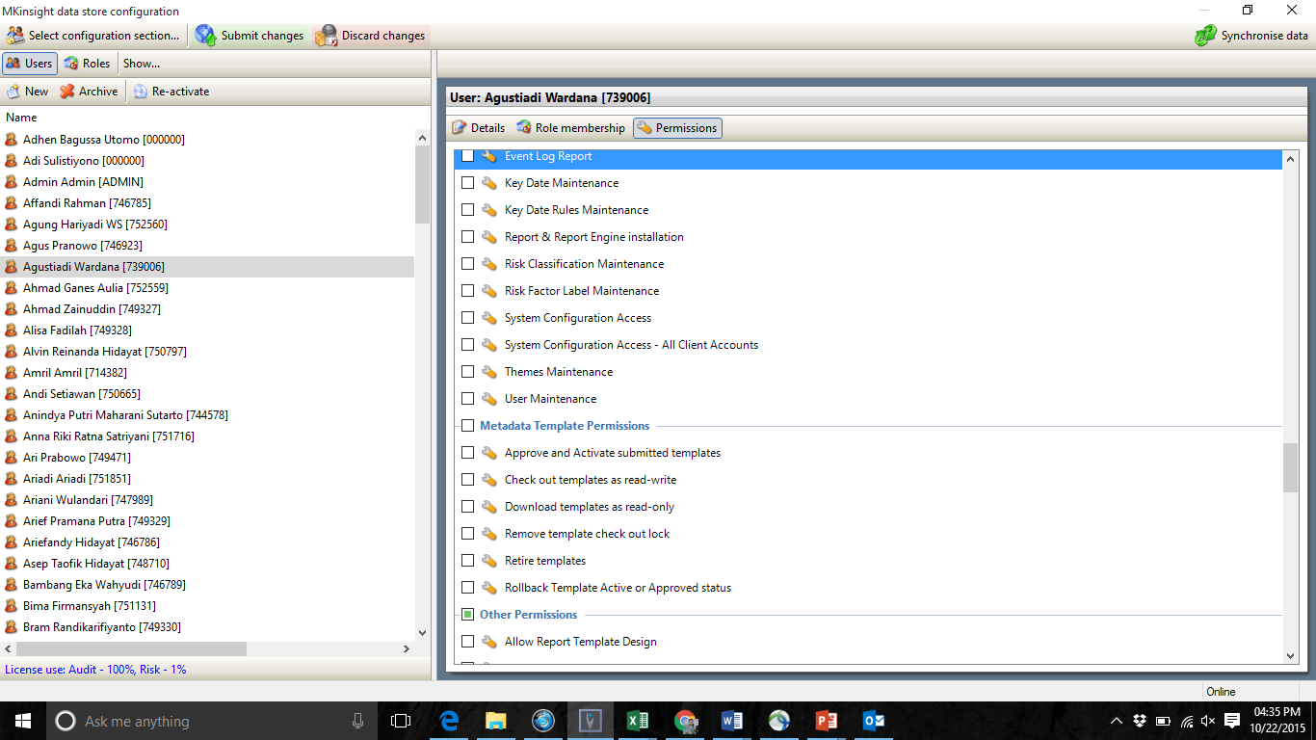
 |  |  |  |  |  |  |  | E-mail template maintenance
 |  |  |  |  |  |  |  | Event log report
 |  |  |  |  |  |  |  | Key date maintenance
 |  |  |  |  |  |  |  | Key date rules maintenance
 |  |  |  |  |  |  |  | Report & report engine installation
 |  |  |  |  |  |  |  | Risk classification maintenance
 |  |  |  |  |  |  |  | Risk factor label maintenance
 |  |  |  |  |  |  |  | System configuration access
 |  |  |  |  |  |  |  | System configuration access - all clients account
 |  |  |  |  |  |  |  | Themes maintenance
 |  |  |  |  |  |  |  | User maintenance

 |  |  |  |  |  |  |  | Metadata Template Permission
 |  |  |  |  |  |  |  | Approve and active submitted templates
 |  |  |  |  |  |  |  | Check out templates as read-write
 |  |  |  |  |  |  |  | Download templates as read-only
 |  |  |  |  |  |  |  | Remove template check out lock
 |  |  |  |  |  |  |  | Retire template
 |  |  |  |  |  |  |  | Rollback templates actives or approved status

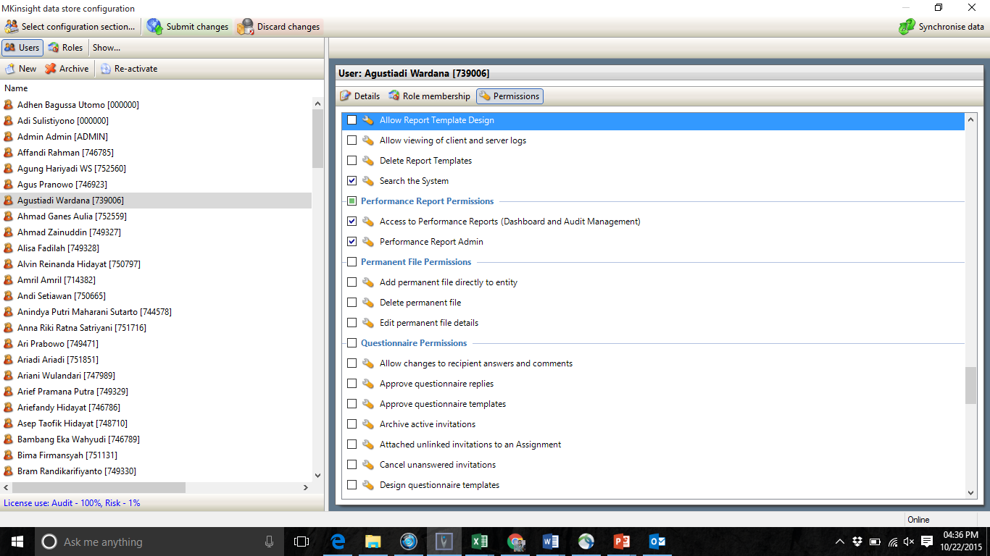
 |  |  |  |  |  |  |  | Other Permission
 |  |  |  |  |  |  |  | Allow report template design
 |  |  |  |  |  |  |  | Allow viewing of clients and server log
 |  |  |  |  |  |  |  | Delete report templates
 |  |  |  |  |  |  |  | Search the system

 |  |  |  |  |  |  |  | Performance Report Permission
 |  |  |  |  |  |  |  | Access to performance reports (dashboard and audit management)
 |  |  |  |  |  |  |  | Performance report admin

 |  |  |  |  |  |  |  | Permanent file permission
 |  |  |  |  |  |  |  | Add permanent file directly to entity
 |  |  |  |  |  |  |  | Delete permanent file
 |  |  |  |  |  |  |  | Edit permanent file details

 |  |  |  |  |  |  |  | Questionaire Permission
 |  |  |  |  |  |  |  | Allow changes to recipient answer and comments
 |  |  |  |  |  |  |  | Approve questionaire replies
 |  |  |  |  |  |  |  | Approve questionaire templates
 |  |  |  |  |  |  |  | Archieve active invitations
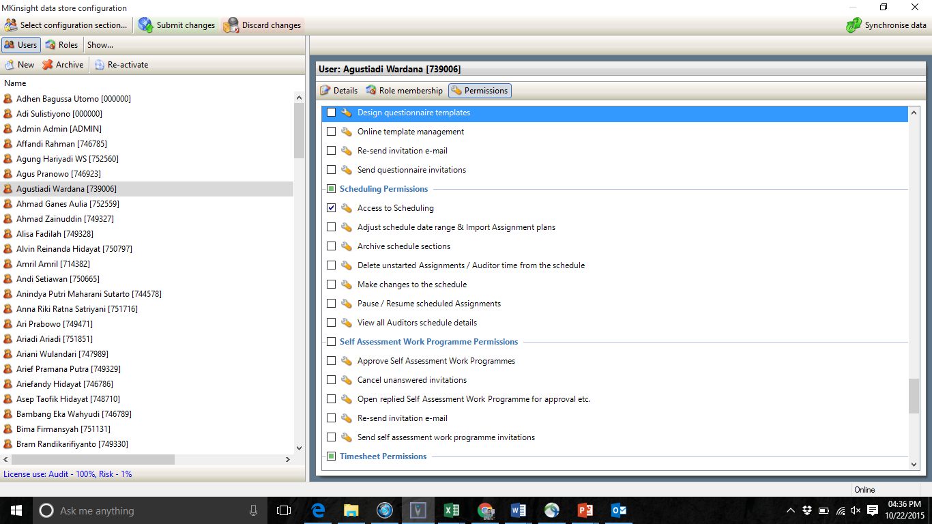
 |  |  |  |  |  |  |  | Attached unlinked invitations to an assignment
 |  |  |  |  |  |  |  | Cancel unanswer invitations
 |  |  |  |  |  |  |  | Design questionaire template
 |  |  |  |  |  |  |  | Online templates management
 |  |  |  |  |  |  |  | Re-send invitation e-mail
 |  |  |  |  |  |  |  | Send questionaire invitations

 |  |  |  |  |  |  |  | Schedulling Permissions
 |  |  |  |  |  |  |  | Access to scheduling
 |  |  |  |  |  |  |  | Adjust schedule data range & import assignment plans
 |  |  |  |  |  |  |  | Archieve schedule sections
 |  |  |  |  |  |  |  | Delete unstarted assignment / auditor time from the schedule
 |  |  |  |  |  |  |  | Make changes to the schedule
 |  |  |  |  |  |  |  | Pause/resume schedule assignments
 |  |  |  |  |  |  |  | View all auditor schedule details

 |  |  |  |  |  |  |  | Self Assesment Work Program Permissions
 |  |  |  |  |  |  |  | Approve self assesment work programmes
 |  |  |  |  |  |  |  | Cancel unanswered invitations
 |  |  |  |  |  |  |  | Open replied self assesment work programme for approval etc
 |  |  |  |  |  |  |  | Re-send invitation e-mail
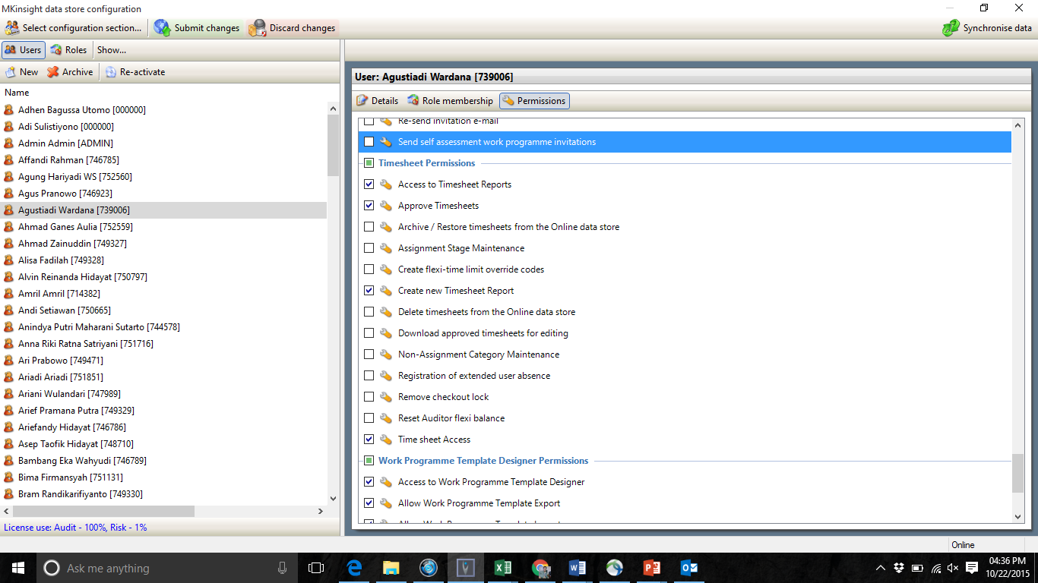
 |  |  |  |  |  |  |  | Send self assesment work programmes invitations

 |  |  |  |  |  |  |  | Timesheet Permissions
 |  |  |  |  |  |  |  | Access to timesheet reports
 |  |  |  |  |  |  |  | Approve timesheet
 |  |  |  |  |  |  |  | Archieve/restore timesheet from the online data store
 |  |  |  |  |  |  |  | Assignment stage maintenance
 |  |  |  |  |  |  |  | Create flexi-time limit override codes
 |  |  |  |  |  |  |  | Create new timesheet report
 |  |  |  |  |  |  |  | Delete timesheet from the online data store
 |  |  |  |  |  |  |  | Download approved timesheet for editing
 |  |  |  |  |  |  |  | Non-assignment category maintenance
 |  |  |  |  |  |  |  | Registration of extended user absences
 |  |  |  |  |  |  |  | Remove checkout lock
 |  |  |  |  |  |  |  | Reset auditor flexi balance
 |  |  |  |  |  |  |  | Time sheet access

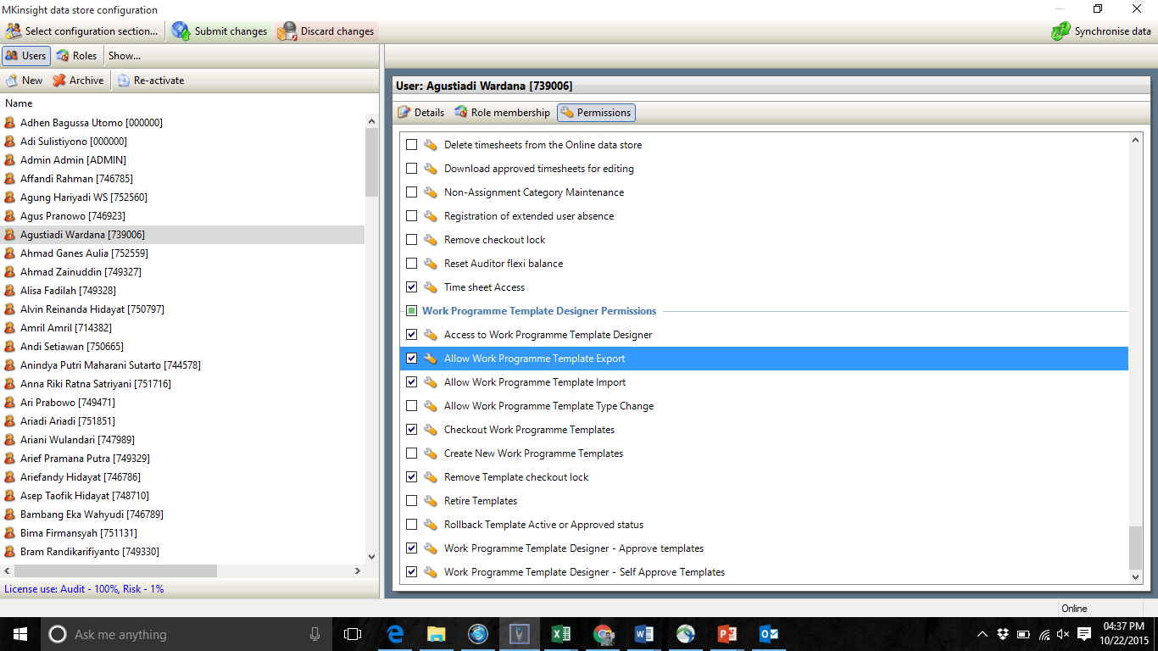
 |  |  |  |  |  |  |  | Work Programme Template Designer Permissions
 |  |  |  |  |  |  |  | Access to work programme template designer
 |  |  |  |  |  |  |  | Allow work programme template export
 |  |  |  |  |  |  |  | Allow work programme template import
 |  |  |  |  |  |  |  | Allow work programme template type changes
 |  |  |  |  |  |  |  | Checkout work programmes template
 |  |  |  |  |  |  |  | Create new work programme template
 |  |  |  |  |  |  |  | Remove template checkout lock
 |  |  |  |  |  |  |  | Retire templates
 |  |  |  |  |  |  |  | Rollback template active or approved status
 |  |  |  |  |  |  |  | Work programme template designer - approved templates
 |  |  |  |  |  |  |  | Work programme template designer - self approve templates

